Risk Assessment
 |  | Inherent Risk Rating: |  |  | CRITICAL | CRITICAL | Residual Risk Rating: |  |  | Medium |  | https://auckland.ac.nz/hsw-risk
 |  | Assessment Name (Activity/Space) |  |  | Risk Assessment Description: Assessment of the physical environment in ??????? |  |  |  | Assessed by: (name/team) |  |  | Assessment Date:
 | HSW Risk Assessment Template | Faculty/School/Area |  |  |  |  |  |  | Approved By: (name/role) |  |  | Next Scheduled Review Date:
 | Version 6.1, 2026 (Excel A3)
Category | Hazards | Outcome | Inherent Risk Rating (Uncontrolled OR before assessment) |  |  | CRITICAL RISK | Current Controls | Residual Risk Rating (After all controls are agreed, in place/active) |  |  | Additional Controls Required | Timescale | Responsible Person
 | Description of hazard, procedure or task being assessed and the related risk. | Who might be harmed, and how might they be harmed? | L | C | R |  | What controls are currently in place? If elimination is not possible, you must implement (in this order): 1: Substitution and/or, 2: Isolation and/or, 3: Engineering controls. If the risk still remains: 4: Administration controls and/or 5: PPE (as a last resort) | L | C | R | What further action(s) do you need to take to control the risks? | What date will additional controls be implement by? | Who is responsible for ensuring these additional controls are in place?
EXAMPLE
Slips, Trips and Falls | Poorly stored items or trailling cables | Any user of the area may trip due to poorly stored equipment, student bags or trailling wires and suffer muscloskeletal injuries. | Possible | Moderate | Medium |  | • Students instructed to store bags and other belongings in lockers or under work bench/desk (with straps in). This happens in inductions and there is signage on entry. • Lab technicians encouraged to check during the course of the activities and remove any unsafe items, plus remind students | Unlikely | Moderate | Low | • Additional lockers for storage of student bags required | 3 months | Lab Owner
Slips, Trips and Falls | Wet or slippery floors | Any person in the area, such as staff, students, contractors, visitors could slip on wet or slippery floors and suffer muscloskeletal injuries. | Possible | Moderate | Medium |  | • Users encouraged to report and assist with spill cleanup (students on induction) • Spill kit provided and labelled. Checked every 3 months on lab check process • Slippery floor signage available and easy to access • appropriate footwear a part of induction • Water capture bin in place for eyewash station | Unlikely | Moderate | Low | • Paper towel dispense and signage to be installed in lab to allow immediate clean-up of spills | 1 month | Lab Owner
Electrical | Poorly maintained, damaged, untested equipment or incorrect use of electrical equipment | Contact with electricity may result in muscloskeletal injuries or death to the user or fire which may result in physical damage to the area, loss of equipment, financial loss to the faculty, adverse publicity. Poorly maintained or faulty equipment also presents as an ignition source, which increases the risk of fire. A fire can result in loss of equipment, resources, facilities and/or life. | Possible | Severe | High | ✅ | • Programme for electrical safety test & tag implemented and managed by the lab owner • Staff regularly reminded to check and report (HSW observations) untagged or incorrectly tagged equipment • Policy in place for no external equipment bought on site (without T&T and approvel by lab owner) • Room maintains correct electrical desicn including RCD protection for specific equipment • Users of equipment informed (As part of induction) to check if equipment display a current electrical tag prior to use. If it doesn't or it is not in date, they are informed not to use and to report | Unlikely | Severe | Medium
Physical Environment | Poor lighting levels | Any user of the area may trip due to poor visibility and suffer muscloskeletal injuries. | Possible | Moderate | Medium |  | • Weekly lab checks in place to report failed lighting • Users advised, via induction, to report failed lights, or areas of poor lighting (especially activities) • Task lamps available for specific activities | Unlikely | Moderate | Low
Physical Environment | Poor house-keeping | Poor house-keeping can result in items being left around on the floor. This presents a potential trip hazards for users of the area and may result in muscloskeletal injuries. It also provides a source of fuel for a potential fire, which will accellerate the spread of a fire. | Possible | Moderate | Medium |  | • Weekly lab checks in place to report poor housekeeping • Users advised, via induction, to report mess and houskeeping issues as well as clean up their own areas • Technicians to monotor areas on a daily basis to manage any issues with individual users and report repeat issues to senior leaders | Unlikely | Moderate | Low
Hazardous Substances | Incorrect or poor storage of chemicals | Incorrect or poor storage of chemicals present multiple risks including: Fire, Explosion, Burns, Release of toxic vapours. These can result in muscloskeletal or respiratory injures to users of the area, loss of equipment, physical damage to the area. A fire can result in loss of equipment, resources, facilities and/or life. | Unscored | Unscored | Unscored |  |  | Unscored | Unscored | Unscored
Biological | Incorrect or poor storage of biological substances | Incorrect or poor storage of biological substances can lead to infection and disease transmission for anyone accessing or working in the area. Exposure to viruses, bacteria or fungi can cause severe acute or chronic illnesses, ranging from allergic reactions to life-threatening conditions such as tuberculosis or bloodborne pathogen diseases or other respiratory conditions. | Unscored | Unscored | Unscored |  |  | Unscored | Unscored | Unscored
Radiation and Lasers | Incorrect or poor storage of radiation sources | Incorrect or poor storage of radiation sources can lead to Tissue and cellular damage for anyone accessing or working in the area. Additionally, radioactive wastes or isotopes may be co-located with combustible, volatile, or biological hazards, creating risks of explosions or toxic smoke in the event of a fire. | Unscored | Unscored | Unscored |  |  | Unscored | Unscored | Unscored
Plant, Equipment and Machinery | Poorly maintained or damaged or incorrect use of machinery | All operators are at risk of mechanical entrapment, crushing or cutting injuries from from contact with moving parts, and exposure to harmful emissions or toxic dustor fumes in enclosed spaces. This can lead to cuts, muscloskeletal injuries, eye injuries or respiratory illness. Other people in the surrounding area are also at risk of exposure to dust/fumes. Poorly maintained or faulty equipment also presents as an ignition source, which increases the risk of fire. A fire can result in loss of equipment, resources, facilities and/or life. | Unscored | Unscored | Unscored |  |  | Unscored | Unscored | Unscored
Physical Environment | Exposure to noise from use of machines | People who work in the area for extended periods may be exposed to noise at damaging levels. This may result in hearing damage, tinnitus, headaches, loss of concentration, stress, sleep disturbance, cognative decline and have a general impact upon a persons mental health. | Unscored | Unscored | Unscored |  |  | Unscored | Unscored | Unscored
Physical Environment | Storage of items on high shelving | Any staff or student accessing items stored on shelving above shoulder height risk Injuries from falling objects or a fall from the use inappropriate equipment used to access the shelving. This may result in muscloskeletal injuries and/or damage to items if dropped. Additionally, storing items within 46cm/18 inches of the ceiling can block fire sprinkler patterns. This can accelerate fire spread resulting in loss of equipment, resources, facilities and/or life. | Unscored | Unscored | Unscored |  |  | Unscored | Unscored | Unscored

Risk Matrix
HSW Risk Assessment Matrix

Likelihood Level | The event is expected to occur >90% | Very likely | Medium | High | Extreme | Extreme
 |  | Probably expect the event to occur in most circumstances
 | The event will occur in most circumstances >50% AND ≤90% | Likely | Medium | High | High | Extreme
 |  | Event likely to occur at least once over the coming year
 | The event may occur in some circumstances >10% AND ≤50% | Possible | Low | Medium | High | High
 |  | Event may occur at some time
 | The event is conceivable, but not expected to occur ≤10% | Unlikely | Low | Low | Medium | Medium
 |  | Occurrence is conceivable, but not expected to occur

 |  |  | Minor | Moderate | Major | Severe
 |  |  | Incidental /Superficial harm (Slight harm, localised first aid required) | Moderate harm (illness or harm is not serious, professional treatment required) | Serious harm (serious harm or illness, hospitalisation required) | Fatality, Severe harm (death, permanent disablement, or significant long-term illness)
 |  |  | Consequence Level
 |  |  |  |  | https://auckland.ac.nz/hsw-risk V5.0 2026

Extreme
High
Medium
Low

Guide for Assessing Risk for HSW Hazards |  |  |  |  |  | https://auckland.ac.nz/hsw-risk

Likelihood
Consequence
Risk Level

Hierarchy of Controls
 | Hierarchy of Controls
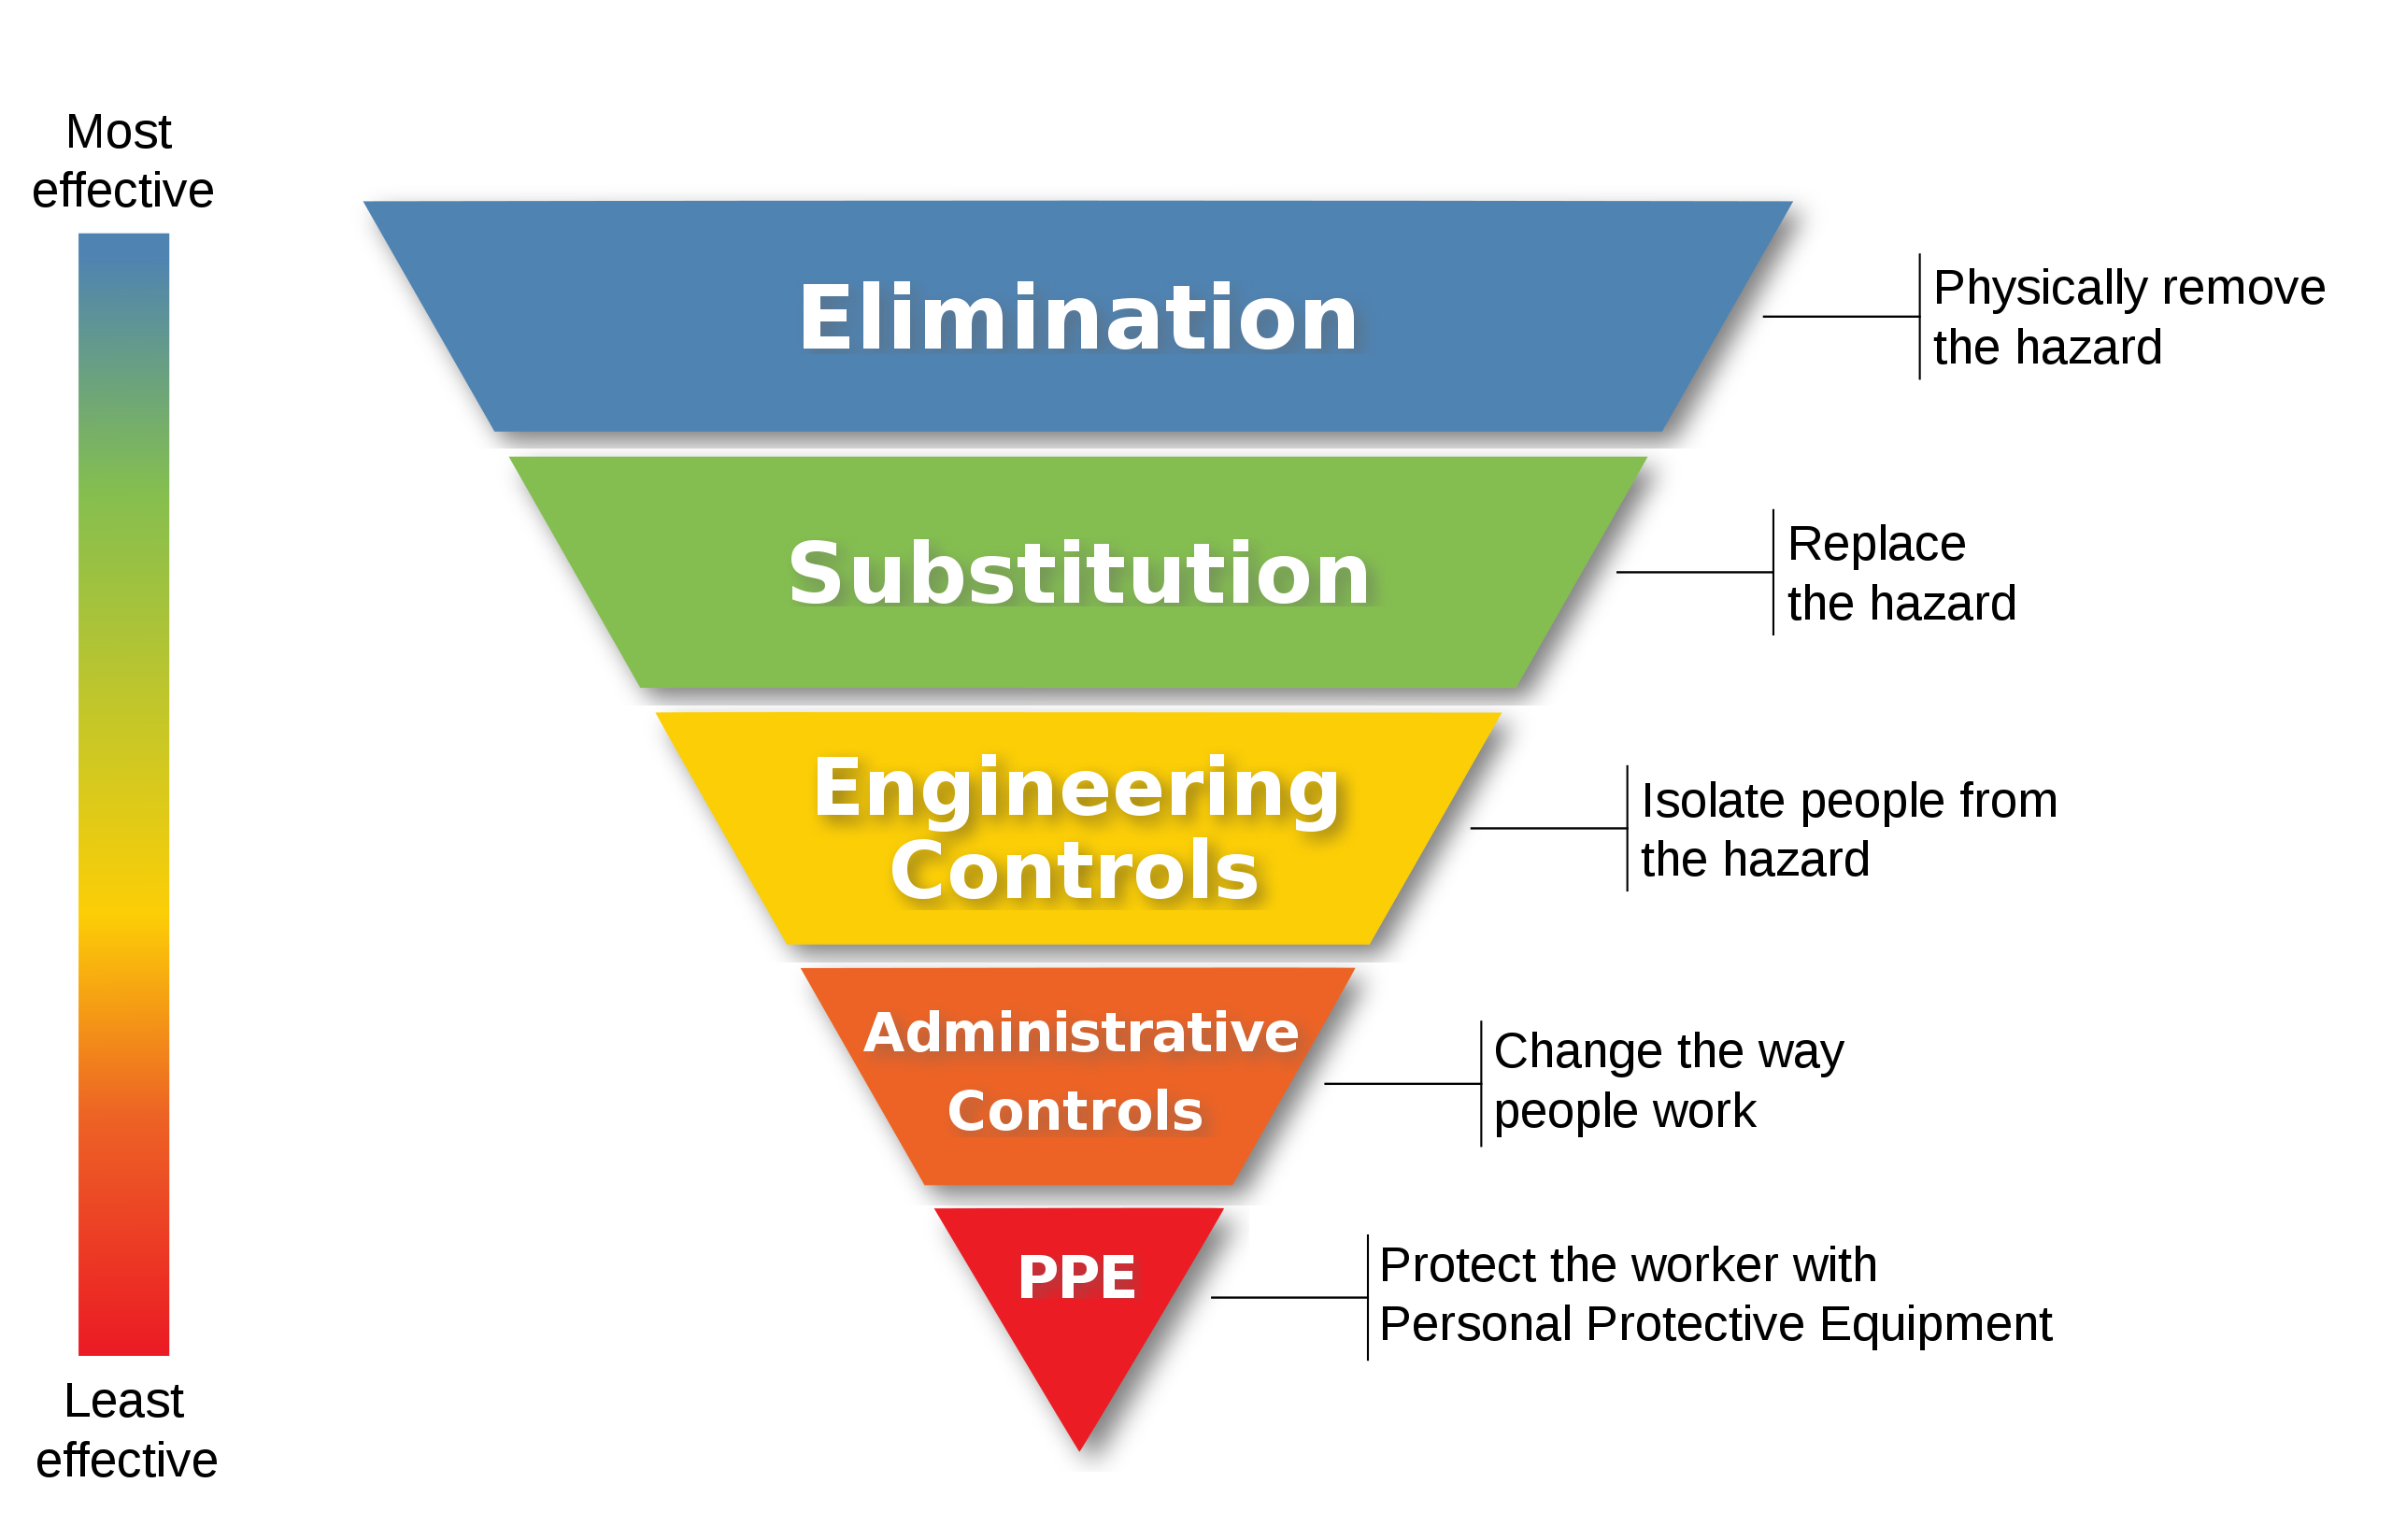

 | The hierarchy of controls is set out in the Health and Safety at Work (General Risk and Workplace Management) Regulations. Essentially, it means working through the following measures until the risk to workers from hazardous substances can be removed or minimised.

Elimination | Elimination
• Can the hazardous substance be removed from the workplace? | Can the hazardous substance be removed from the workplace?

Minimisation | Minimisation
If elimination is not possible consider (in this order): | If elimination is not possible consider (in this order):
• Substitution: Whether the substance could be replaced by one posing less risk, such as substituting solvent based inks with inks made from vegetable oil. | Substitution: Whether the substance could be replaced by one posing less risk, such as substituting solvent based inks with inks made from vegetable oil.
• Isolation: Isolating the hazard can prevent people coming into contact with it, for example spray painting in a fully automated booth. | Isolation: Isolating the hazard can prevent people coming into contact with it, for example spray painting in a fully automated booth.
• Engineering control measures: Apply physical control measures to minimise risk, such as ventilation. | Engineering control measures: Apply physical control measures to minimise risk, such as ventilation.
If the risk remains: | If the risk remains:
• Administrative controls: If engineering controls are not sufficient to remove the risk, you are required to apply processes to make your workplace safer, s.g. job rotation to reduce the time someone is exposed to a hazardous substance. | Administrative controls: If engineering controls are not sufficient to remove the risk, you are required to apply processes to make your workplace safer, eg job rotation to reduce the time someone is exposed to a hazardous substance.
If the risk still remains: | If the risk still remains:
• Personal Protective Equipment (PPE): If the risk remains after all other measures have been applied, you must supply and ensure the use of personal protective equipment. For example, respirators can protect staff from inhaling hazardous substances. | Personal Protective Equipment (PPE): If the risk remains after all other measures have been applied, you must supply and ensure the use of personal protective equipment. For example, respirators can protect staff from inhaling hazardous substances.

