Risk Matrix
HSW Risk Assessment Matrix

Likelihood Level | The event is expected to occur >90% | Very likely | Medium | High | Extreme | Extreme
 |  | Probably expect the event to occur in most circumstances
 | The event will occur in most circumstances >50% AND ≤90% | Likely | Medium | High | High | Extreme
 |  | Event likely to occur at least once over the coming year
 | The event may occur in some circumstances >10% AND ≤50% | Possible | Low | Medium | High | High
 |  | Event may occur at some time
 | The event is conceivable, but not expected to occur ≤10% | Unlikely | Low | Low | Medium | Medium
 |  | Occurrence is conceivable, but not expected to occur

 |  |  | Minor | Moderate | Major | Severe
 |  |  | Incidental /Superficial harm (Slight harm, localised first aid required) | Moderate harm (illness or harm is not serious, professional treatment required) | Serious harm (serious harm or illness, hospitalisation required) | Fatality, Severe harm (death, permanent disablement, or significant long-term illness)
 |  |  | Consequence Level
 |  |  |  |  | https://auckland.ac.nz/hsw-risk V5.0 2026

Extreme
High
Medium
Low

Guide for Assessing Risk for HSW Hazards |  |  |  |  |  | https://auckland.ac.nz/hsw-risk

Likelihood
Consequence
Risk Level

Hierarchy of Controls
 | Hierarchy of Controls
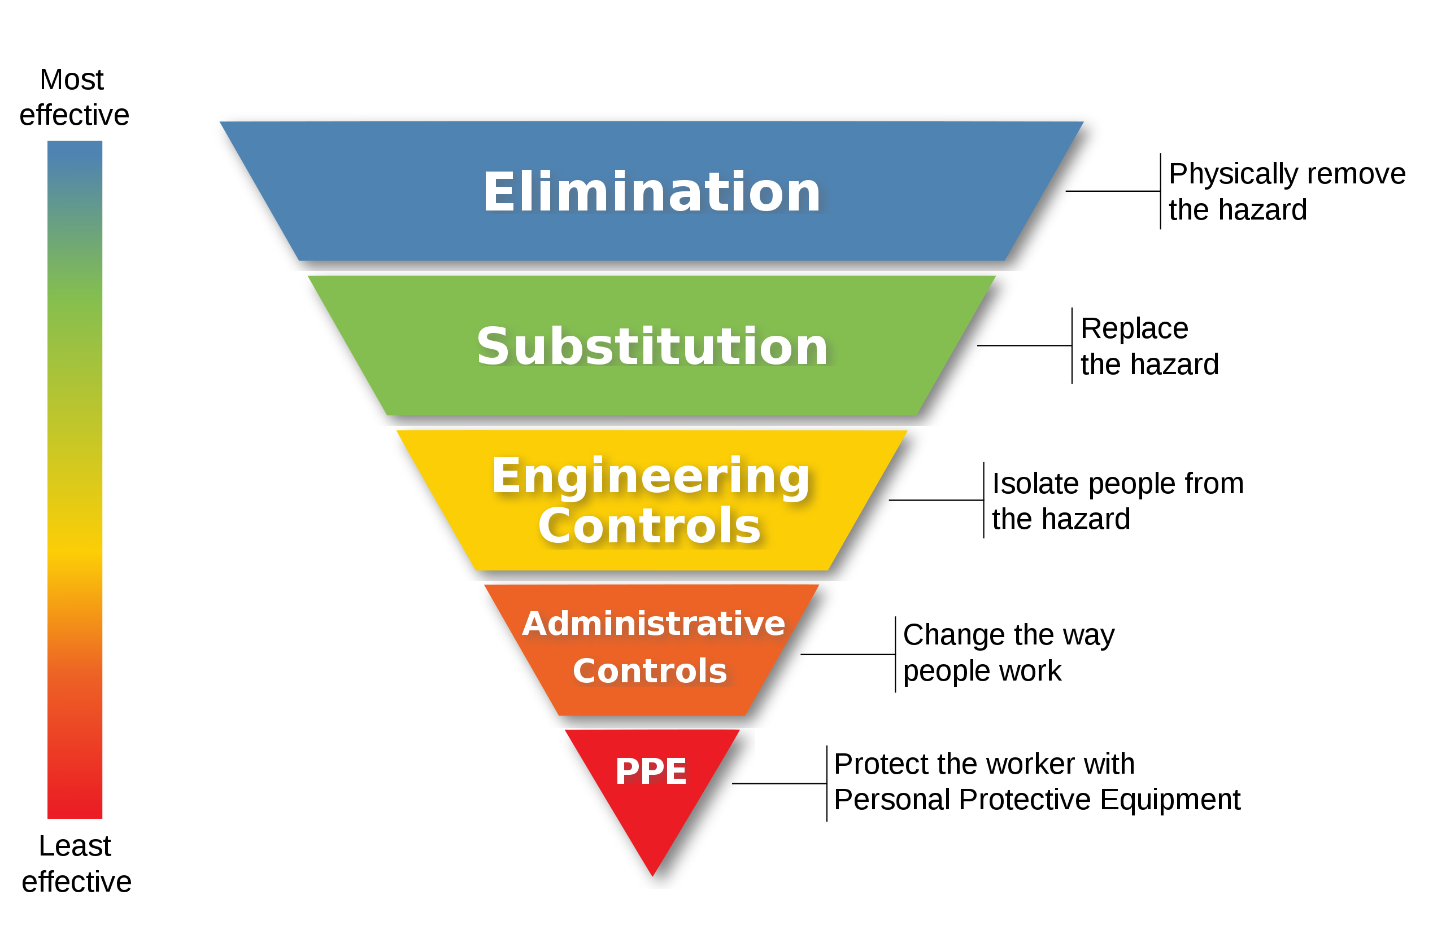

 | The hierarchy of controls is set out in the Health and Safety at Work (General Risk and Workplace Management) Regulations. Essentially, it means working through the following measures until the risk to workers from hazardous substances can be removed or minimised.

Elimination | Elimination
• Can the hazardous substance be removed from the workplace? | Can the hazardous substance be removed from the workplace?

Minimisation | Minimisation
If elimination is not possible consider (in this order): | If elimination is not possible consider (in this order):
• Substitution: Whether the substance could be replaced by one posing less risk, such as substituting solvent based inks with inks made from vegetable oil. | Substitution: Whether the substance could be replaced by one posing less risk, such as substituting solvent based inks with inks made from vegetable oil.
• Isolation: Isolating the hazard can prevent people coming into contact with it, for example spray painting in a fully automated booth. | Isolation: Isolating the hazard can prevent people coming into contact with it, for example spray painting in a fully automated booth.
• Engineering control measures: Apply physical control measures to minimise risk, such as ventilation. | Engineering control measures: Apply physical control measures to minimise risk, such as ventilation.
If the risk remains: | If the risk remains:
• Administrative controls: If engineering controls are not sufficient to remove the risk, you are required to apply processes to make your workplace safer, s.g. job rotation to reduce the time someone is exposed to a hazardous substance. | Administrative controls: If engineering controls are not sufficient to remove the risk, you are required to apply processes to make your workplace safer, eg job rotation to reduce the time someone is exposed to a hazardous substance.
If the risk still remains: | If the risk still remains:
• Personal Protective Equipment (PPE): If the risk remains after all other measures have been applied, you must supply and ensure the use of personal protective equipment. For example, respirators can protect staff from inhaling hazardous substances. | Personal Protective Equipment (PPE): If the risk remains after all other measures have been applied, you must supply and ensure the use of personal protective equipment. For example, respirators can protect staff from inhaling hazardous substances.

